Sheet1
Sl No: | 1
zoho Id | EQI-148
Summary: | Blank Vital entry is generating in Assessment History

Steps to Reproduce:

 | 1) Launch Application
 | URL: http://mediwarecloud.com/mediwareqc
 | 2) Go to Care Desk>>Out Patient tab
 | 3) Select any Patient in Arrived status
 | Patient Id: NH00000193
 | 4) Patient OP Pre-consultation pop up is displayed
 | 5) Select Vitals in Templates Menu
 | 6) Selct "Save & Continue" Button twice without entering data
 | 7) Verify "Assessment Summary" in Templates

Module: | Care Desk

Expected Result:

 | Vital entry for balnk data should not be generated

Actual Result:

 | Vital Entry table is generated with blank data
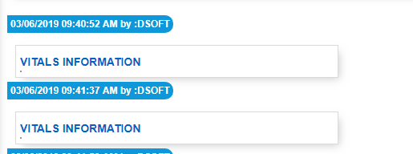

Sl No: | 2
Zoho id | EQI-149
Summary: | Text overlapping in Assessment History

Steps to Reproduce:

 | 1) Launch Application
 | URL: http://mediwarecloud.com/mediwareqc
 | 2) Go to Care Desk>>Out Patient tab
 | 3) Select any Patient in Arrived status
 | Patient Id: NH00000193
 | 4) Patient OP Pre-consultation pop up is displayed
 | 5) Select "Patient and Family Education" in Templates Menu
 | 6) Enter details and Click Save
 | 7) Select "Assessment Summary" in "Transactions"
 | 8) Verify Parent and Family Education entered details

Module: | Care Desk

Expected Result:

 | Data should be displayed in correct format

Actual Result:

 | Parent Education details is data is overlapping

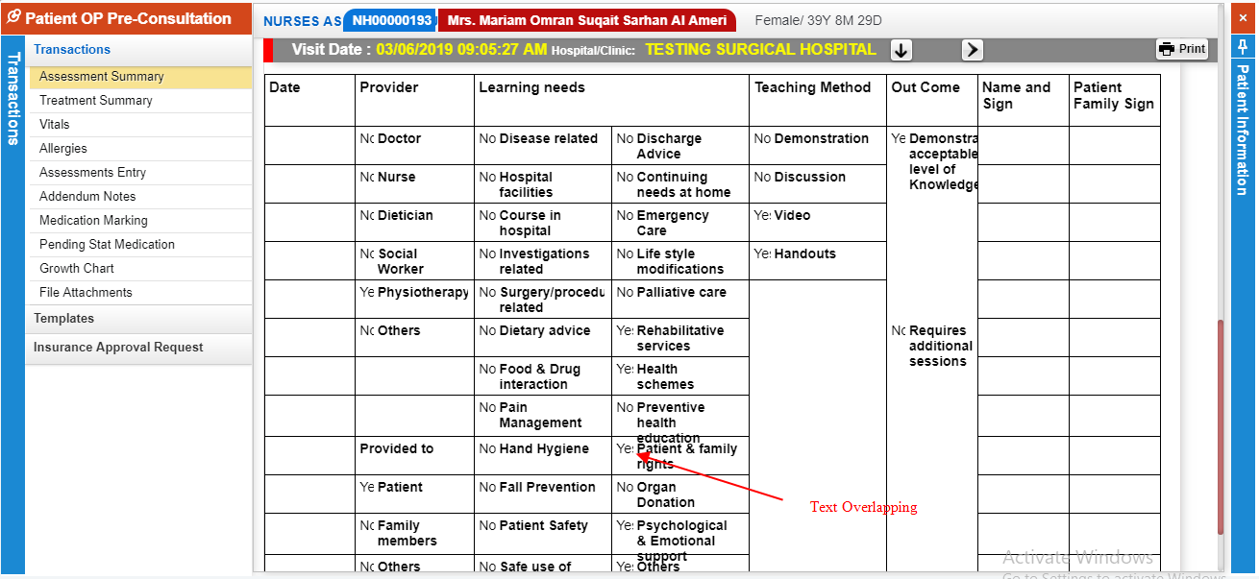

Sl No: | 3

Summary: | Font size heading is different in "Assessment Summary"

Steps to Reproduce:
 | 1) Launch Application
 | URL: http://mediwarecloud.com/mediwareqc
 | 2) Go to Care Desk>>Out Patient tab
 | 3) Select any Patient in Arrived status
 | 4) Patient OP Pre-consultation pop up is displayed
 | 5) Select "Patient and Family Education" in Templates Menu
 | 6) Enter details and Click Save
 | 7) Select "Assessment Summary" in "Transactions"
 | 8) Verify "Visit Date " and "Hospital/Clinic"

Module: | Care Desk

Expected Result:
 | "Visit Date " and "Hospital/Clinic" should have same font size

Actual Result:
 | "Visit Date " and "Hospital/Clinic" having different font size

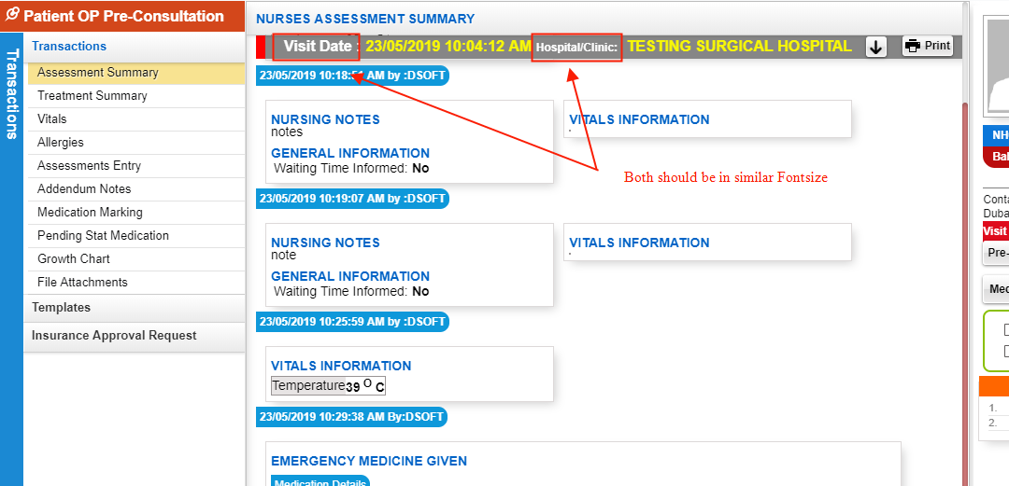

Sl No: | 4
Zoho id | EQ1-I190

Summary: | Appointment Time is not displaying

Steps to Reproduce:
 | 1) Launch Application
 | URL: http://mediwarecloud.com/mediwareqc
 | 2) Go to Care Desk>>Out Patient tab
 | 3) Verify Waiting Out patient listings

Module: | Care Desk

Expected Result:

 | Appointment Time should be displayed

Actual Result:

 | Appointment time is not displaying

Sl No: | 5

Summary: | Check box is partially visible in "Patient and Family Education"

Steps to Reproduce:
 | 1) Launch Application
 | URL: http://mediwarecloud.com/mediwareqc
 | 2) Go to Care Desk>>Out Patient tab
 | 3)Select any Patient from the list
 | 4) Patient OP-Pre consultation pop up window should be displayed
 | 5) Select Patient and Family Education in Templates Menu
 | 7) Click on pin option on top right of the pop up window
 | 6) Verify form data

Module: | Care Desk

Expected Result:
 | Check box ahould be fully visible

Actual Result:
 | Check box is partially visible

Sl No: | 6
Zoho Id:
Summary: | Add space b/w text "Patientwise"

Steps to Reproduce: | 1) Launch Application
 | URL: http://mediwarecloud.com/mediwareqc
 | 2) Go to In Patient
 | 3) Select Menu>>Query
 | 3) Verify Patientwise search

Module: | In Patient

Expected Result:

Actual Result:
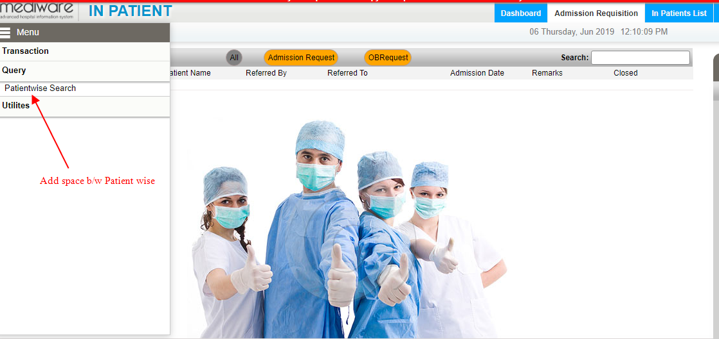

Sl No: | 7
Zoho Id:
Summary: | Change "Back" Button Icon

Steps to Reproduce:
 | 1) Launch Application
 | URL: http://mediwarecloud.com/mediwareqc
 | 2) Go to In Patient
 | 3) Select Menu>>Query>>Patient Search
 | 4) Enter Search keyword and Search for IP patients in the IP Patient list pop up
 | 5) Verify "Back" Icon

Module: | In Patient

Expected Result:
 | Icon should be Back Arrow

Actual Result:
 | Displaying "Search" icon
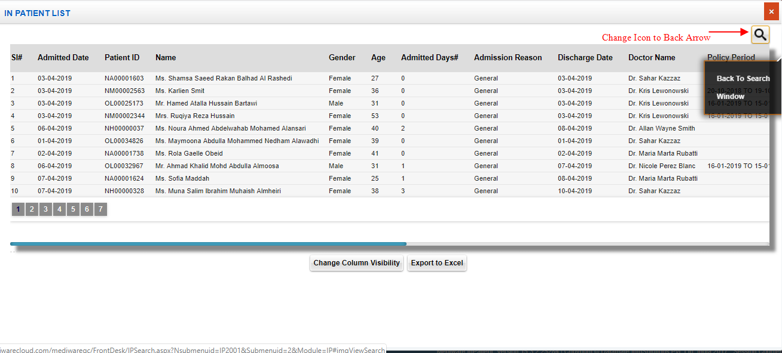

Sl No: | 12
Zoho Id:
Summary: | Add space in OBRequest

Steps to Reproduce:
 | 1) Launch Application
 | URL: http://mediwarecloud.com/mediwareqc
 | 2) Go to In Patient
 | 3) select Admission Requisition tab
 | 4) Verify OB Request

Module: | In Patient

Expected Result:

Actual Result
 | No space b/w OB Request
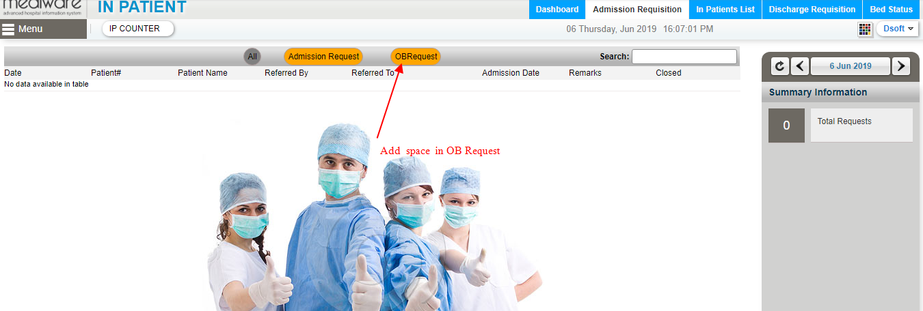

Sl No: | 8 | Zoho Id: |  | Summary: | Issue in text position in Patient info Print

 |  |  |  |  | Steps to Reproduce: 1) Launch Application URL: http://mediwarecloud.com/mediwareqc 2) Select "Care Desk" from Application selector 3) Select "Outpatient" tab 4) Go to "Quotation" Tab 5) Select "Add New" button on bottom of the page 6) Quotation pop up window should be displayed 7) Enter quotation detatls and save 8) Verify Message displayed

 |  |  |  | Module: | Care Desk

 |  |  |  |  | Expected Result: Data is not adding and "Data added successfully" message should be displayed

 |  |  |  |  | Actual Result "Failed to save" message should be displayed

 |  |  |  |  | Screen Resolution: 1360x768 Browser: Google Chrome Version 74.0.3729.169 Operating System: Window 10, Windows 7

Sl No: |  | Zoho Id: | EQ1-I2 | Summary | Page Title is missing in Addendum Notes in Care Desk
 |  |  |  |  | Steps to Reproduce 1) Launch Application URL: http://mediwarecloud.com/mediwareqc 2) Select Application Selector>>Care Desk>>Out-Patient tab 3) Select any Patient from the list 4) Patient OP Pre-consultation pop up is displayed 5) Select "Addendum Notes" Sub menu in Transaction Menu on the left pane 6) Addendum notes page is displayed 7) Verify Title
 |  |  |  |  | Expected Result: Addendum notes with Page title should be displayed
 |  |  |  |  | Actual Result: Page title is missing. Please find the screenshot

Sl No: |  | Zoho Id: | EQ1-I3 | Summary | Unwanted space is shown between sub module "Humpty Dumpty Fall Assessment form" in Templates
 |  |  |  |  | Steps to Reproduce 1) Launch Application URL: http://mediwarecloud.com/mediwareqc 2) Go to Care Desk>>Out Patient 3) Select any Patient in "Arrived" status 4) Patient OP-PreConsultation pop up is displayed 5) Select "Template" >>" Humpty Dumpty Fall Assessment form" on the left pane 6)Verify the space is displayed between sub module "Humpty Dumpty Fall Assessment form" in Templates
 |  |  |  |  | Expected Result: The words arrangement should be in correct format
 |  |  |  |  | Actual Result: Unwanted space is displayed,Please find the attachment

Sl No: |  | Zoho Id: | EQ1-I4 | Summary | Confirmation Message is not displaying for Status change from Pre-consulting to Pre-consulted
 |  |  |  |  | Steps to Reproduce 1) Launch Application URL: http://mediwarecloud.com/mediwareqc 2) Care Desk>>Out Patient 3) Select any Patient in Pre-Consulting status 4) Patient OP Pre-Consultation pop up window is displayed 5) Select Pin option on right side top of pop up view to expand right pane 6) Select Pre-Consult Button on Right pane
 |  |  |  |  | Expected Result: Status change Confirmation message should be displayed
 |  |  |  |  | Actual Result: Confirmation message is missing

Sl No: |  | Zoho Id: | EQ1-I5 | Summary | Assessment spelling error in "Pain Assessment and Re assessment form" sub menu Care Desk
 |  |  |  |  | Steps to Reproduce 1) Launch Application URL: http://mediwarecloud.com/mediwareqc 2) Select Care Desk>>Out Patient 3) Select any Patient from the list 4) OP Pre-Consultation pop up view is displayed 5) Select "Pain Assessment and Re assessment form" sub menu in Template Menu on left pane 6) Verify "Assessment" spelling
 |  |  |  |  | Expected Result: "Assessment spelling" should be correct
 |  |  |  |  | Actual Result: "Assessment spelling" is wrong. Please find the attachment

Sl No: |  | Zoho Id: | EQ1-I27 | Summary | Print in "Approval Request" is not generating
 |  |  |  |  | Steps to Reproduce 1) Launch Application URL: http://mediwarecloud.com/mediwareqc 2) Go to Care Desk>>Out Patient 3) Select Menu>>Insurance Approvals>>Approval Request 4) Enter Patient Id in Approval Request Pop up window and Click Show Patient Id:NH00000547 5) Select Check box from patient list 6) Verify Print Investigation
 |  |  |  |  | Expected Result: Preview of Print should be generated
 |  |  |  |  | Actual Result: Preview of Print is not generating

Sl No: |  | Zoho Id: | EQ1-I28 | Summary | Immunization "Due List" is not displaying
 |  |  |  |  | Steps to Reproduce 1) Launch Application URL: http://mediwarecloud.com/mediwareqc 2) Go to Care Desk>>Out Patient 3) Select Menu >>Immunization>>Due List 4) Verify Due lis
 |  |  |  |  | Expected Result: Immunization Due list Patients should be listed
 |  |  |  |  | Actual Result: No Result is displaying

Sl No: |  | Zoho Id: | EQ1-I29 | Summary | Growth chart is not generating
 |  |  |  |  | Steps to Reproduce 1) Launch Application URL: http://mediwarecloud.com/mediwareqc 2) Go to Care Desk>>Out-Patient tab 3) Select any patient from Waiting OP List 4) Patient OP Pre-consultation pop up is displayed 5) Select Transactions>>Growth Chart 6) Verify Weight for Age , Both Weight & Height, BMI for Age
 |  |  |  |  | Expected Result: Corresponding Charts should be displayed
 |  |  |  |  | Actual Result: No chart is displaying

IP
Sl No: | 1 | Zoho Id: | EQ1-I98 | Summary: | Clear button will clear all Advance linstings

 |  |  |  | Steps to Reproduce: | 1) Launch Application
 |  |  |  |  | URL: http://mediwarecloud.com/mediwareqc
 |  |  |  |  | 2) Go to In Patient
 |  |  |  |  | 3) Select Menu>>Advance
 |  |  |  |  | 4) Select "Search" button on bottom of the "Advance" pop up window
 |  |  |  |  | 5) Enter data in any search fields
 |  |  |  |  | 6) Select "Clear" Button
 |  |  |  |  | 7) Verify result

 |  |  |  | Module: | In-Patient

 |  |  |  | Expected Result: | Should clears all search fields only

 |  |  |  | Actual Result | Clears all listings along with search fields
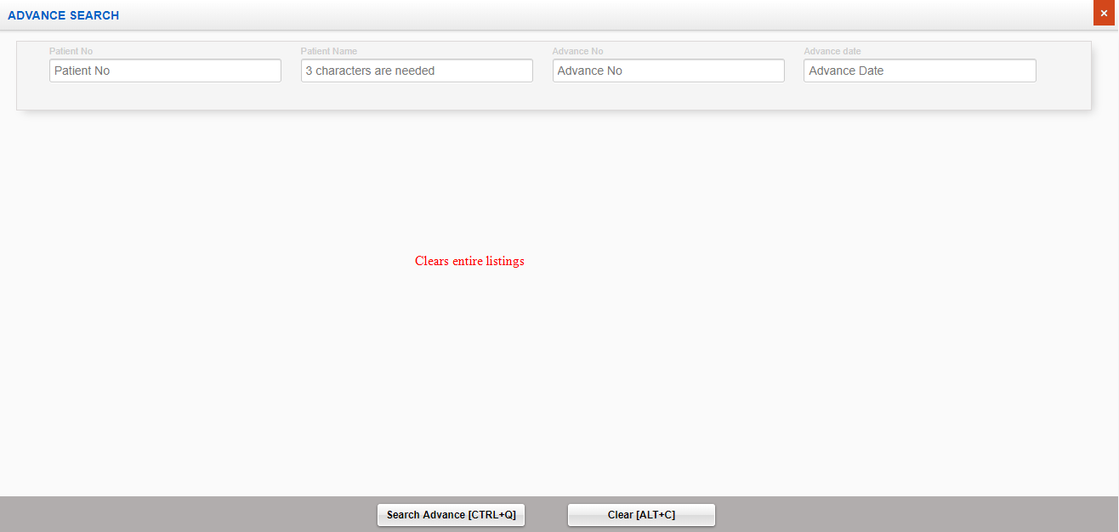

Sl No: | 2 | Zoho Id: | EQ1-I99 | Summary: | Cannot enter alphabets in Patient Id Search

 |  |  |  | Steps to Reproduce: | 1) Launch Application
 |  |  |  |  | URL: http://mediwarecloud.com/mediwareqc
 |  |  |  |  | 2) Go to In Patient
 |  |  |  |  | 3) Select Menu>>Advance
 |  |  |  |  | 4) Select "Search" button on bottom of the "Advance" pop up window
 |  |  |  |  | 5) Verify Patient Id Search textbox box

 |  |  |  | Module: | IP Patient

 |  |  |  | Expected Result: | Should be able to type alphabets

 |  |  |  | Actual Result | Cannot enter alphabets
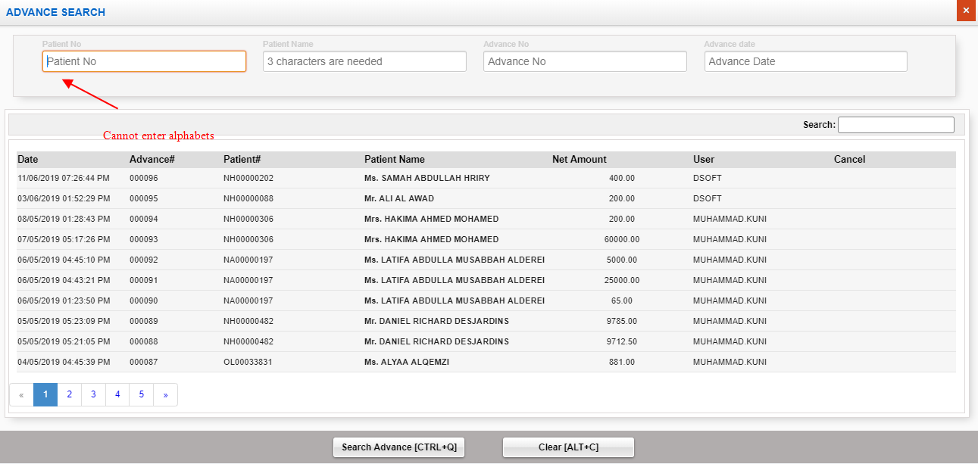

Sl No: | 3 | Zoho Id: | EQ1-I00 | Summary: | Search is not working correctly

 |  |  |  | Steps to Reproduce: | 1) Launch Application
 |  |  |  |  | URL: http://mediwarecloud.com/mediwareqc
 |  |  |  |  | 2) Go to In Patient
 |  |  |  |  | 3) Select Menu>>Advance
 |  |  |  |  | 4) Select "Search" button on bottom of the "Advance" pop up window
 |  |  |  |  | 5) Enter text "88" in search text box
 |  |  |  |  | 6) Verify Result

 |  |  |  | Module: | IP Patient

 |  |  |  | Expected Result: | Should display only fields containing any of the entered text should be present

 |  |  |  | Actual Result | Unmatching result is generating
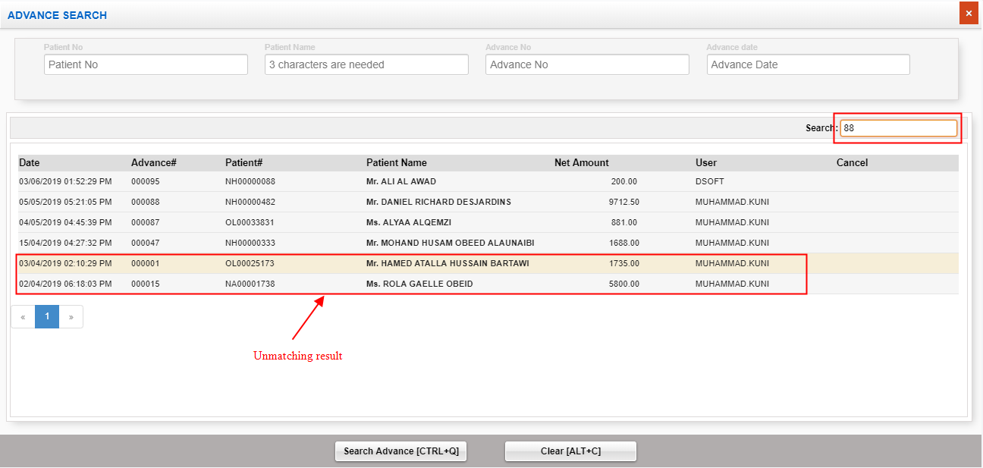

Sl No: | 4 | Zoho Id: | EQ1-I01 | Summary: | Status missing

 |  |  |  | Steps to Reproduce: | 1) Launch Application
 |  |  |  |  | URL: http://mediwarecloud.com/mediwareqc
 |  |  |  |  | 2) Go to In Patient
 |  |  |  |  | 3) Select Menu>>Advance
 |  |  |  |  | 4) Select "Search" button on bottom of the "Advance" pop up window
 |  |  |  |  | 5) Status heading is missing

 |  |  |  | Module: | In Patient

 |  |  |  | Expected Result: | Should display status of each advance

 |  |  |  | Actual Result | Cancel Heading instead of Status
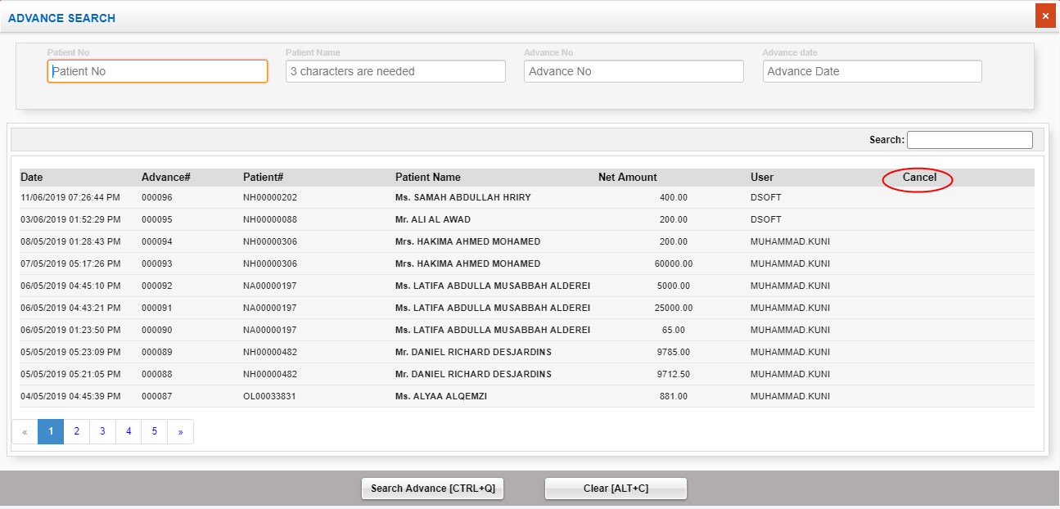

Sl No: | 5 | Zoho Id: | EQ1-I02 | Summary: | Change the position of Submit and clear button

 |  |  |  | Steps to Reproduce: | 1) Launch Application
 |  |  |  |  | URL: http://mediwarecloud.com/mediwareqc
 |  |  |  |  | 2) Go to In Patient
 |  |  |  |  | 3) Select Menu>>Advance
 |  |  |  |  | 4) Select "Search" button on bottom of the "Advance" pop up window
 |  |  |  |  | 5) Verify the position of Submit and clear button

 |  |  |  | Module: | IP Patient

 |  |  |  | Expected Result:

 |  |  |  | Actual Result
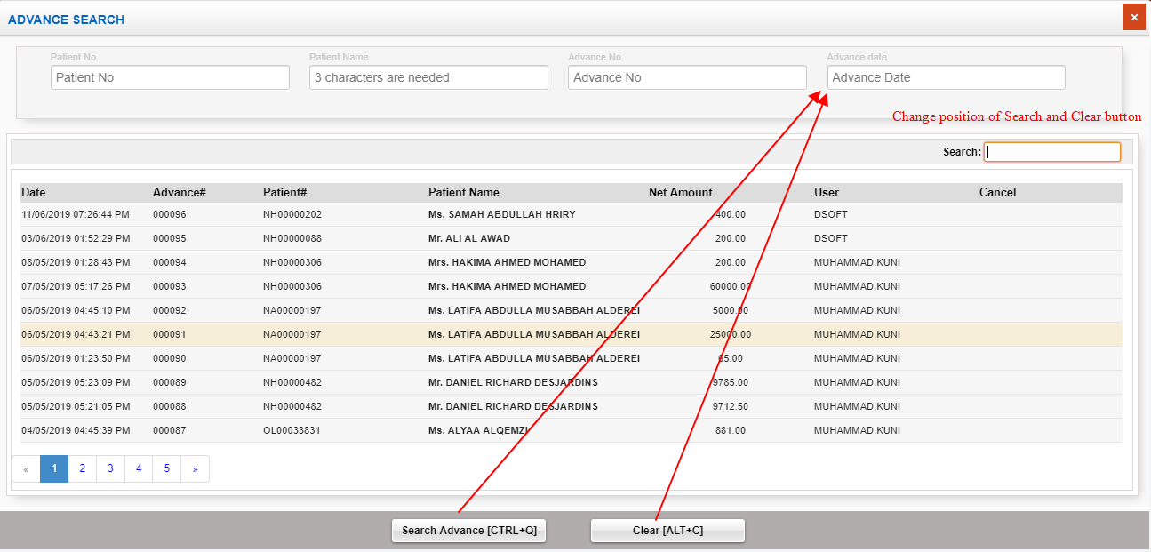

Sl No: | 6 | Zoho Id: | EQ1-I04 | Summary: | Cannot enter future date in discharge entry

 |  |  |  | Steps to Reproduce: | 1) Launch Application
 |  |  |  |  | URL: http://mediwarecloud.com/mediwareqc
 |  |  |  |  | 2) Go to In Patient
 |  |  |  |  | 3) Select Menu>>Discharge Entry
 |  |  |  |  | 4) Enter Discharge date and status and select save
 |  |  |  |  | 5) Verify message

 |  |  |  | Screen Resolution: | 1360x768
 |  |  |  | Browser: | Google Chrome Version 74.0.3729.169
 |  |  |  | Operating System: | Window 10, Windows 7

 |  |  |  | Module: | IP Patient

 |  |  |  | Expected Result: | Discharge entry should be addede with future date

 |  |  |  | Actual Result | Cannot enter discharge in future date
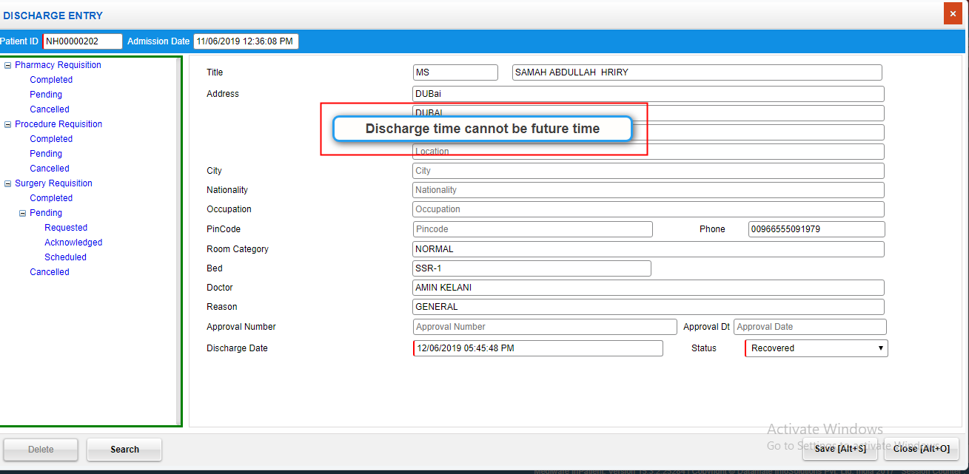

Sl No: | 7 | Zoho Id: | EQ1-I06 | Summary: | No data displaying in Room Release list

 |  |  |  | Steps to Reproduce: | 1) Launch Application
 |  |  |  |  | URL: http://mediwarecloud.com/mediwareqc
 |  |  |  |  | 2) Go to In Patient
 |  |  |  |  | 3) Select Menu>>Transaction>>Room Release
 |  |  |  |  | 4) Verify list

 |  |  |  | Screen Resolution: | 1360x768
 |  |  |  | Browser: | Google Chrome Version 74.0.3729.169
 |  |  |  | Operating System: | Window 10, Windows 7

 |  |  |  | Module: | IP Patient

 |  |  |  | Expected Result: | Released Room details should be listed

 |  |  |  | Actual Result | No data is displaying
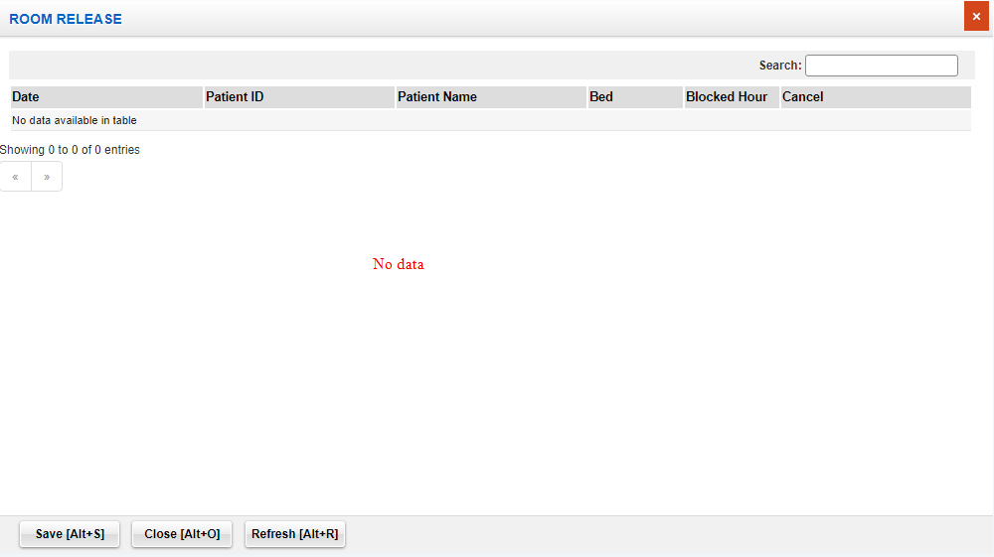

Sl No: | 8 | Zoho Id: | EQ1-I08 | Summary: | Search, Clear etc buttons in Admission pop up window is accessible in "Find Patient" pop up window

 |  |  |  | Steps to Reproduce: | 1) Launch Application
 |  |  |  |  | URL: http://mediwarecloud.com/mediwareqc
 |  |  |  |  | 2) Go to In Patient
 |  |  |  |  | 3) Select Menu>>Transaction>>Admission
 |  |  |  |  | 4) Select "Search" button on bottom of the pop up window
 |  |  |  |  | 5) Verify Find Patient pop up window

 |  |  |  | Screen Resolution: | 1360x768
 |  |  |  | Browser: | Google Chrome Version 74.0.3729.169
 |  |  |  | Operating System: | Window 10, Windows 7

 |  |  |  | Module: | IP Patient

 |  |  |  | Expected Result: | Search, Clear etc buttons in Admission pop up should not be visible in "Find Patient" pop up or in disabeled form

 |  |  |  | Actual Result | Search, Clear etc in Admission pop up is visible in "Find Patient" pop up

Sl No: | 9 | Zoho Id: | EQ1-I09 | Summary: | Search in "Find Patient" pop up is not working correctly

 |  |  |  | Steps to Reproduce: | 1) Launch Application
 |  |  |  |  | URL: http://mediwarecloud.com/mediwareqc
 |  |  |  |  | 2) Go to In Patient
 |  |  |  |  | 3) Select Menu>>Transaction>>Admission
 |  |  |  |  | 4) Select Search option
 |  |  |  |  | 5) Select Admission date from as 01/03/2019 , Admission Date to as 13/06/2019 and click Search Button
 |  |  |  |  | 5) From the displayed list search using text box on top of the pop up window

 |  |  |  | Screen Resolution: | 1360x768
 |  |  |  | Browser: | Google Chrome Version 74.0.3729.169
 |  |  |  | Operating System: | Window 10, Windows 7

 |  |  |  | Module: | IP Patient

 |  |  |  | Expected Result: | Should display only the searched item from the list

 |  |  |  | Actual Result | unmatching result is displaying

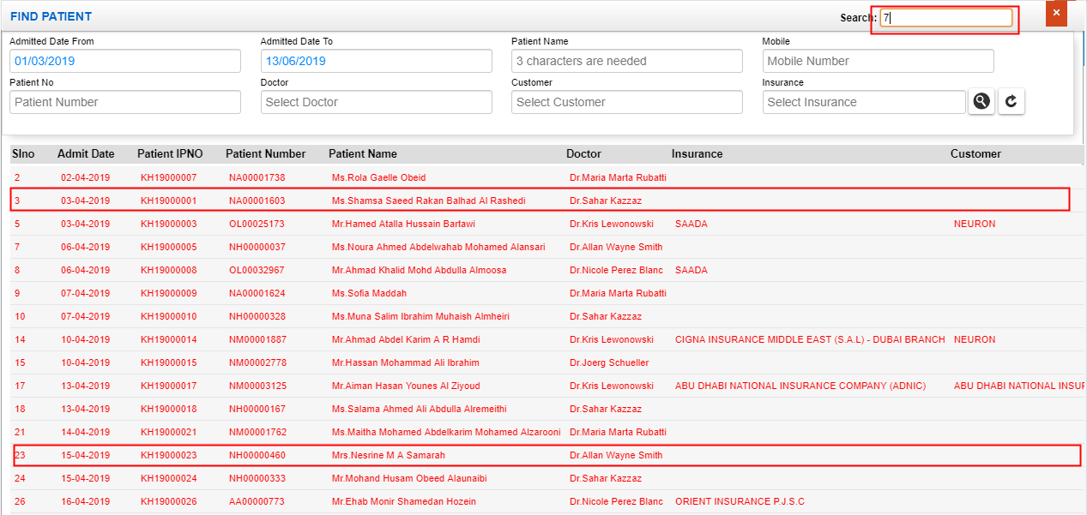

Sl No: | 10 | Zoho Id: | EQ1-I12 | Summary: | Mobile number search is not working in "Find Patient"

 |  |  |  | Steps to Reproduce: | 1) Launch Application
 |  |  |  |  | URL: http://mediwarecloud.com/mediwareqc
 |  |  |  |  | 2) Go to In Patient
 |  |  |  |  | 3) Select Menu>>Transaction>>Admission
 |  |  |  |  | 4) Select "Search" option
 |  |  |  |  | 5) Select "Admission from date" and "Admission to date"
 |  |  |  |  | 6) Enter Patient Mobile number
 |  |  |  |  | 7) Select "search" result
 |  |  |  |  | 8) Verify Result

 |  |  |  | Screen Resolution: | 1360x768
 |  |  |  | Browser: | Google Chrome Version 74.0.3729.169
 |  |  |  | Operating System: | Window 10, Windows 7

 |  |  |  | Module: | IP Patient

 |  |  |  | Expected Result: | Should display IP Patients with the entered Mobile number

 |  |  |  | Actual Result | No result is displaying

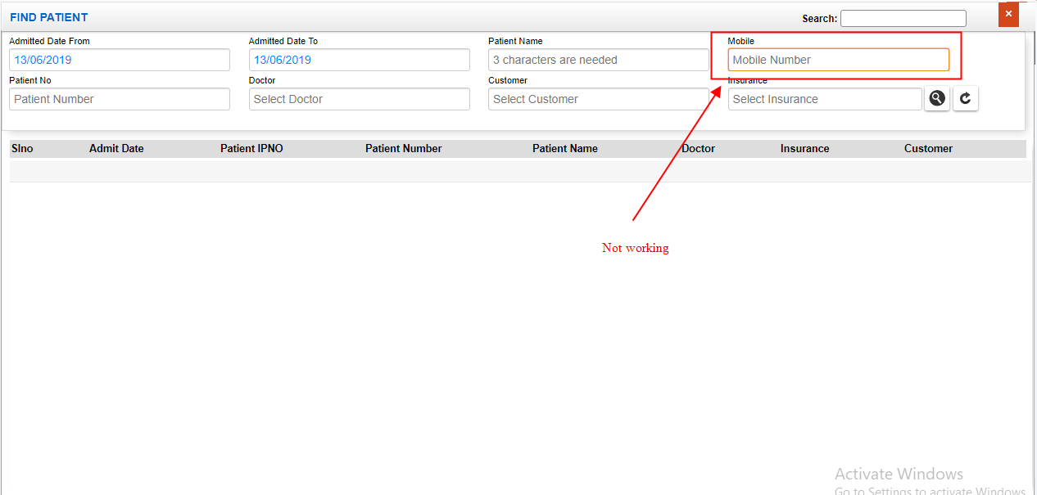

Sl No: | 8
Zoho Id: | EQ1-I60
Summary: | Confirmation message is not displaying for deleting Procedure Category in Procategory Head

Steps to Reproduce:
 | 1) Launch Application
 | URL: http://mediwarecloud.com/mediwareqc
 | 2) Go to In Patient
 | 3)Select Menu>>Utilities>>Procategory Heads
 | 4) Select Search button and select any category head from the list
 | 5)Verify Delete in Procedure Category

Module: | In Patient

Expected Result:
 | Confirmation message should be displayed

Actual Result:
 | No Confirmation message

Sl No: | 9
Zoho Id: | EQ1-I58
Summary: | Mandatory field identification is missing

Steps to Reproduce:
 | 1) Launch Application
 | URL: http://mediwarecloud.com/mediwareqc
 | 2) Go to In Patient
 | 3)Select Menu>>Utilities>>Procategory Heads
 | 4)Verify Header name and order no: textboxes

Module: | In Patient

Expected Result:
 | Header name and Order number texboxes should be marked red on left side

Actual Result:
 | No red marking on Header name and order number textboxes

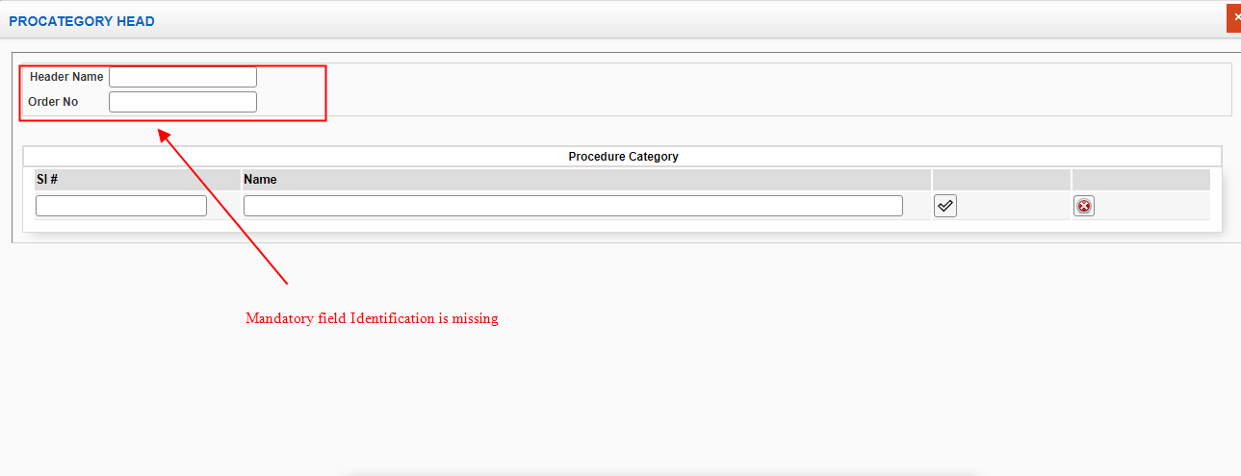

Sl No: | 10
Zoho Id: | EQ1-I56
Summary: | Blank Preview of print is generating in "Approximate Calculation"

 | Steps to Reproduce:
 | 1) Launch Application
 | URL: http://mediwarecloud.com/mediwareqc
 | 2) Go to In Patient
 | 3)Select Menu>>Utilities>>Approximate calculation
 | 4) Select any from the list and Click "Process" Button
 | 5)Total amount and Advance amount is generated
 | 6) Select Print option
 | 7) A pop up for selecting Summary,Detailed Print(Bill wise),Detailed Print (Item wise) is generated
 | 8) Verify "summary Print"

Module: | In Patient

Expected Result:
Print Preview of Summary of bill details should be generated

Actual Result:
Blank page is generating



Sl No: | 11
Zoho Id: | EQ1-I55
Summary: | "No Data found" message is generating instead of message to select Patient

Steps to Reproduce:
 | 1) Launch Application
 | URL: http://mediwarecloud.com/mediwareqc
 | 2) Go to In Patient
 | 3)Select Menu>>Utilities>>Approximate calculation
 | 4) "Process" Button without selecting Patients from the list
 | 5) Verify Message displayed

Module: | In Patient

Expected Result:
 | Message to check any checkbox should be generated

Actual Result
 | No data found message is generating

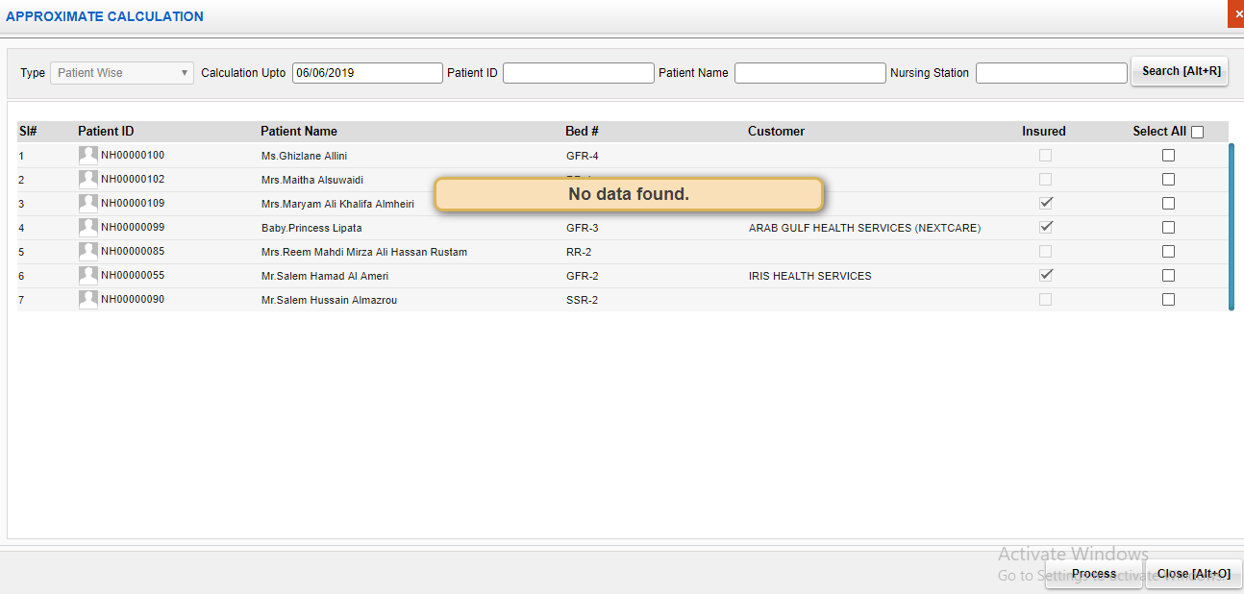

Sl No: |  | Zoho Id: | EQ1-I127 | Summary: | Doctor name is not listing in Care Desk Module

 |  |  |  | Steps to Reproduce: | 1) Launch Application
 |  |  |  |  | URL: http://mediwarecloud.com/mediwareqc
 |  |  |  |  | 2) Select "Testing Marina" as hospital
 |  |  |  |  | 3) Select Care Desk Module
 |  |  |  |  | 4) Select Out-Patient tab
 |  |  |  |  | 5) Verify "Change Doctor" drop dowm

 |  |  |  | Screen Resolution: | 1360x768
 |  |  |  | Browser: | Google Chrome Version 74.0.3729.169
 |  |  |  | Operating System: | Window 10, Windows 7

 |  |  |  | Module: | Care Desk

 |  |  |  | Expected Result: | All Doctors in "Testing Marina" should be listed

 |  |  |  | Actual Result | Dr. Raj Mohan in Testing Marina is not listing

Sl No: | 12 | Zoho Id: | EQ1-I257 | Summary: | Radiology result is not displaying

 |  |  |  | Steps to Reproduce: | 1) Launch Application
 |  |  |  |  | URL: http://mediwarecloud.com/mediwareqc
 |  |  |  |  | 2) Select In Patient
 |  |  |  |  | 3) Select In Patient List tab
 |  |  |  |  | 4) Mouse over on any of the IP Patient in the list
 |  |  |  |  | 5) Select "Radiology list" from the pop up displayed
 |  |  |  |  | 5) Verify Radiology result

 |  |  |  | Screen Resolution: | 1360x768
 |  |  |  | Browser: | Google Chrome Version 74.0.3729.169
 |  |  |  | Operating System: | Window 10, Windows 7

 |  |  |  | Module: | In Patient

 |  |  |  | Expected Result: | Radiology result should be displayed

 |  |  |  | Actual Result | Blank page is displaying



Sl No: | 13 | Zoho Id: | EQ1-I258 | Summary: | Date format is not unique in In Patient

 |  |  |  | Steps to Reproduce: | 1) Launch Application
 |  |  |  |  | URL: http://mediwarecloud.com/mediwareqc
 |  |  |  |  | 2) Select In Patient
 |  |  |  |  | 3) Select In Patient List tab
 |  |  |  |  | 4) Verify Date and Admission Date

 |  |  |  | Screen Resolution: | 1360x768
 |  |  |  | Browser: | Google Chrome Version 74.0.3729.169
 |  |  |  | Operating System: | Window 10, Windows 7

 |  |  |  | Module: | In Patient

 |  |  |  | Expected Result: | Date format should be unique

 |  |  |  | Actual Result | Date format is not unique

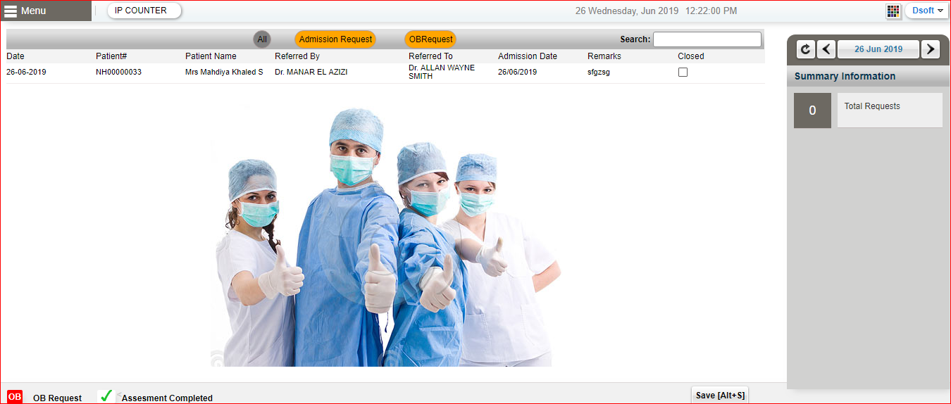

Sl No: | 14 | Zoho Id: | EQ1-I259 | Summary: | UI issue in displaying patient info icons on Mouse over on Patient Name

 |  |  |  | Steps to Reproduce: | 1) Launch Application URL: http://mediwarecloud.com/mediwareqc 2) Select In Patient from Application selector 3) Select In Patient List tab 4) Mouse over on Patient name on IP list 5) Verify the pop up view

 |  |  |  |  | Screen Resolution: 1360x768 Browser: Google Chrome Version 74.0.3729.169 Operating System: Window 10, Windows 7

 |  |  |  | Module: | In Patient

 |  |  |  | Expected Result: | All patient info icons should be displayed inside the pop up view

 |  |  |  | Actual Result | List of Patient info icons are displaying out of the pop up view

Store
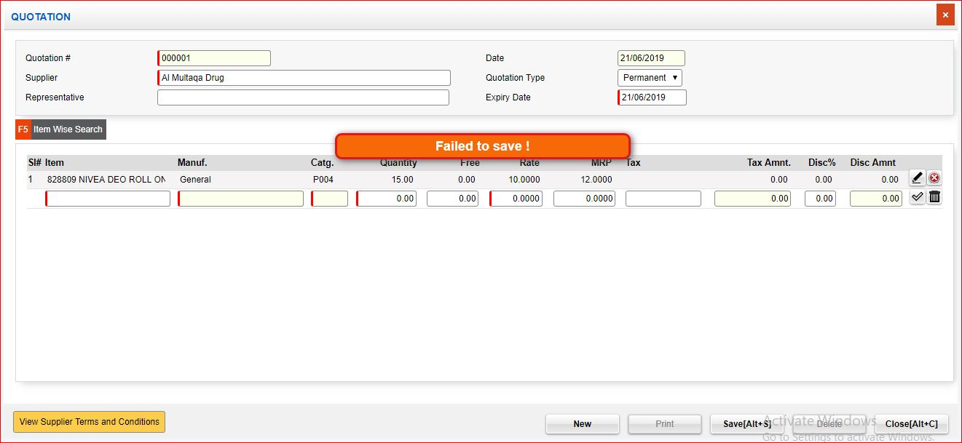
Sl No: | 1 | Zoho Id: | EQ1-150 | Summary: | Cannot view items in Store Issue pop up window

 |  |  |  | Steps to Reproduce: | 1) Launch Application URL: http://mediwarecloud.com/mediwareqc 2) Select "Store" from Application selector 3) Select "Hospital" , "Store" from the dropdown and Click "Select" Button 4) Go to "Pending Request Tab" 5) Select any Request by clicking on it 6) Verify generated "Store Issue" pop up window

 |  |  |  | Module: | Store Management

 |  |  |  | Expected Result: | Should display Requested Item details in the "Store Issue" pop up window

 |  |  |  | Actual Result | Not displaying requested items in pop up window

 |  |  |  |  | Screen Resolution: 1360x768 Browser: Google Chrome Version 74.0.3729.169 Operating System: Window 10, Windows 7
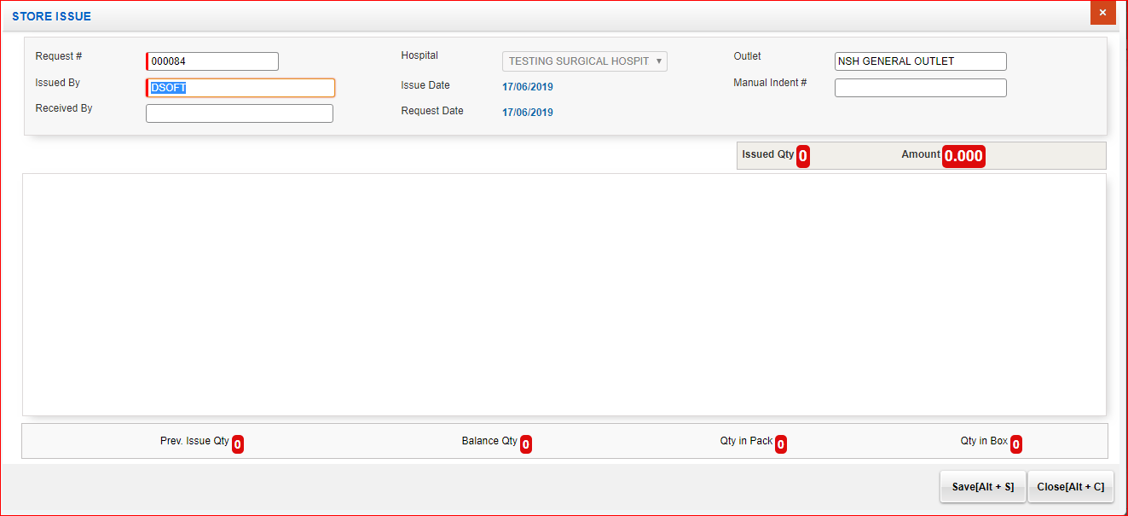

Sl No: | 2 | Zoho Id: | EQ1-173 | Summary: | Two print options in Quotation pop up

 |  |  |  | Steps to Reproduce: | 1) Launch Application URL: http://mediwarecloud.com/mediwareqc 2) Select "Store" from Application selector 3) Select "Hospital" , "Store" from the dropdown and Click "Select" Button 4) Go to "Quotation Tab" 5) Select any Quotation by clicking on it 6) Select Print button 7) Verify Print option in pop up displayed

 |  |  |  | Module: | Store

 |  |  |  | Expected Result: | Print and Close button should be displayed

 |  |  |  | Actual Result | Two Print buttons are available

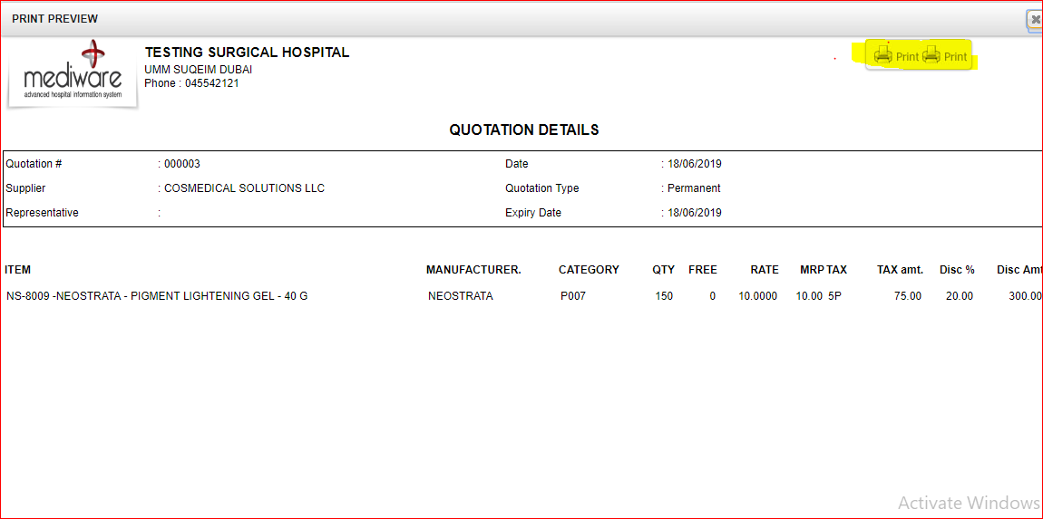

Sl No: | 3 | Zoho Id: | EQ1-175 | Summary: | UI issue in displaying Transaction details

 |  |  |  | Steps to Reproduce: | 1) Launch Application URL: http://mediwarecloud.com/mediwareqc 2) Select "Store" from Application selector 3) Select "Hospital" , "Store" from the dropdown and Click "Select" Button 4) Go to "Quotation Tab" 5) Select any Supplier and click Item wise search option 6) In Item wise search pop up seach for any option 7) From the displayed list , select any item 8) Click "Transaction details" 9) In Transaction details" pop up view selct date rande and select "Show" option

 |  |  |  | Module: | Store

 |  |  |  | Expected Result: | Details should be displayed in correct table format with table border

 |  |  |  | Actual Result | UI issue in displaying data in table format

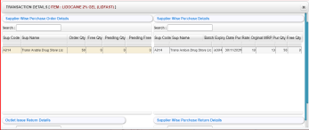

Sl No: | 4 | Zoho Id: | EQ1-177 | Summary: | Page Title missing

 |  |  |  | Steps to Reproduce: | 1) Launch Application URL: http://mediwarecloud.com/mediwareqc 2) Select "Store" from Application selector 3) Select "Hospital" , "Store" from the dropdown and Click "Select" Button 4) Go to "Quotation Tab" 5) Select any Supplier and click Item wise search option 6) Item wise search pop up window is displayed 7) Verify pop up window

 |  |  |  | Module: | Store

 |  |  |  | Expected Result: | Page titile should be presnt

 |  |  |  | Actual Result | Page title is missing

 |  |  |  |  | Screen Resolution: 1360x768 Browser: Google Chrome Version 74.0.3729.169 Operating System: Window 10, Windows 7
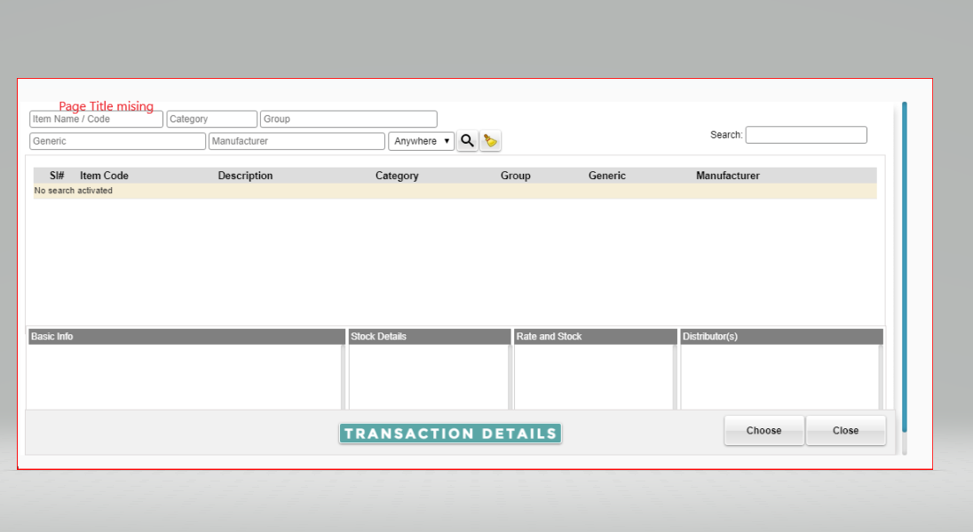

Sl No: | 5 | Zoho Id: | EQ1-189 | Summary: | Cannot add store issue details

 |  |  |  | Steps to Reproduce: | 1) Launch Application URL: http://mediwarecloud.com/mediwareqc 2) Select "Store" from Application selector 3) Select "Hospital" , "Store" from the dropdown and Click "Select" Button 4) Go to "Pending Request" Tab 5) Select any request from the list 6) Store issue pop up window is displayed 7) Enter issued quantity and select save

 |  |  |  | Module: | Store

 |  |  |  | Expected Result: | Data saved successfully message should be displayed and quantity should be issued

 |  |  |  | Actual Result | False message is displaying

 |  |  |  |  | Screen Resolution: 1360x768 Browser: Google Chrome Version 74.0.3729.169 Operating System: Window 10, Windows 7

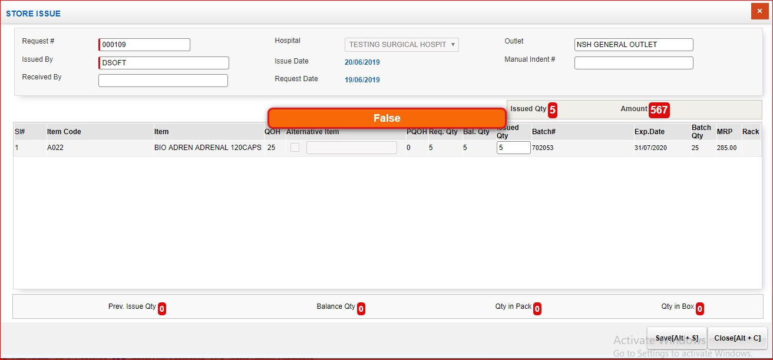

Sl No: | 6 | Zoho Id: | EQ1-202 | Summary: | Print data is not displaying in Preview

 |  |  |  | Steps to Reproduce: | 1) Launch Application URL: http://mediwarecloud.com/mediwareqc 2) Select "Store" from Application selector 3) Select "Hospital" , "Store" from the dropdown and Click "Select" Button 4) Go to "Pending Request" Tab 5) Select any request from the list 6) Store issue pop up window is displayed 7) Enter issued quantity and select save 8) Select "Pint" option 9) Verify Print pop up window displayed

 |  |  |  | Module: | Store

 |  |  |  | Expected Result: | Entered Quantity and its details should be displayed

 |  |  |  | Actual Result | No data is displaying , only firld name is displaying

 |  |  |  |  | Screen Resolution: 1360x768 Browser: Google Chrome Version 74.0.3729.169 Operating System: Window 10, Windows 7
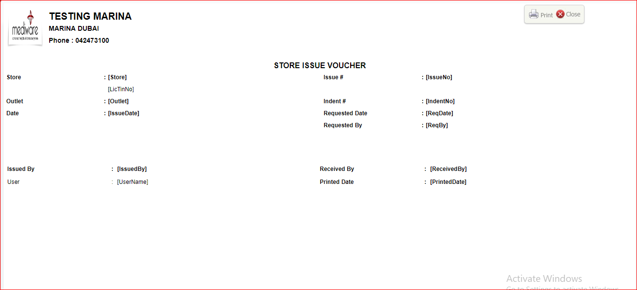

Sl No: | 7 | Zoho Id: | EQ1-211 | Summary: | Cannot add quotation

 |  |  |  | Steps to Reproduce: | 1) Launch Application URL: http://mediwarecloud.com/mediwareqc 2) Select "Store" from Application selector 3) Select "Hospital" , "Store" from the dropdown and Click "Select" Button 4) Go to "Quotation" Tab 5) Select "Add New" button on bottom of the page 6) Quotation pop up window should be displayed 7) Enter quotation detatls and save 8) Verify Message displayed

 |  |  |  | Module: | Store

 |  |  |  | Expected Result: | Data is not adding and "Data added successfully" message should be displayed

 |  |  |  | Actual Result | "Failed to save" message should be displayed

 |  |  |  |  | Screen Resolution: 1360x768 Browser: Google Chrome Version 74.0.3729.169 Operating System: Window 10, Windows 7

